Sheet1
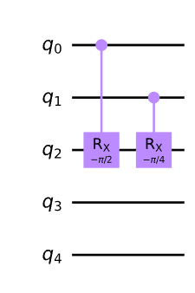
index | label | |0> | |1>
0 | 6 | 0.483 | 0.517 | -0.034
1 | 9 | 0.45 | 0.55 | -0.1
2 | 9 | 0.456 | 0.544 | -0.088
3 | 6 | 0.482 | 0.518 | -0.036
4 | 6 | 0.544 | 0.456 | 0.088
5 | 9 | 0.505 | 0.495 | 0.01
6 | 6 | 0.556 | 0.444 | 0.112
7 | 9 | 0.51 | 0.49 | 0.02

